運賃
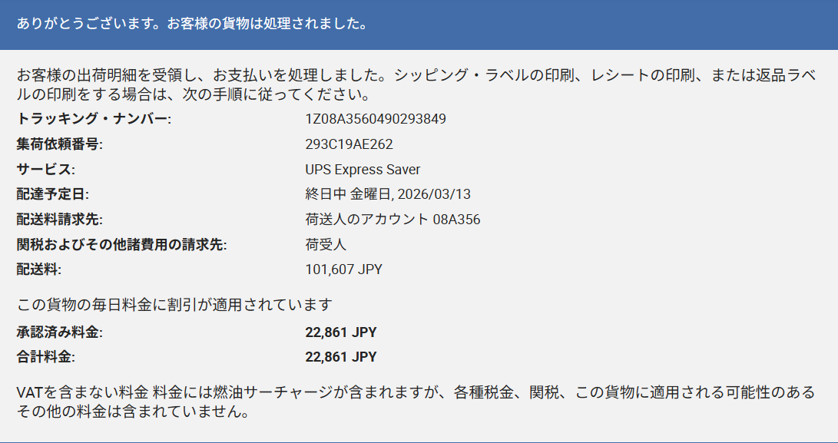

x1.3 | 29719.3
÷130 | 228.61
請求 | $230

